Input&Summary
RIGHT BANK
Pipe Properties |  | Soil Properties
Pipe OD (in): | 16.00 | Soil Friction Angle (φ degrees): | 30.0
Pipe wt (in): | 0.375 | Soil Cohesion (c, psf): | 100.0
Pipe SMYS (psi): | X-52 | Soil Effective Unit Weight (γ', psf): | 125.0
Pipe DOC (ft): | 11.20 | PGD Path (perpendicular/parallel to pipe): | Parallel
Length of Pipe in PGD (ft): | 7.0
Pipe Coating | Polyethylene
Internal Pressure (psi): | 1440
API 5L X52, 16" OD, Std Wt (.375")
DOC = Depth of Cover
Summary Output
Longitudinal Force (lb/ft) | 1,942.9
Axial Stress (psi) | 360.8
Remaining Allowable Stress (psi) | 12,720.0
Allowable Pipe Length in PGD (ft): | 246.8
Exceeds Allowable: | Does Not Exceed
PGD=Permanent Ground Deformation
Pipeline Length: FOS <1.5 | Orange Area
7 | ft
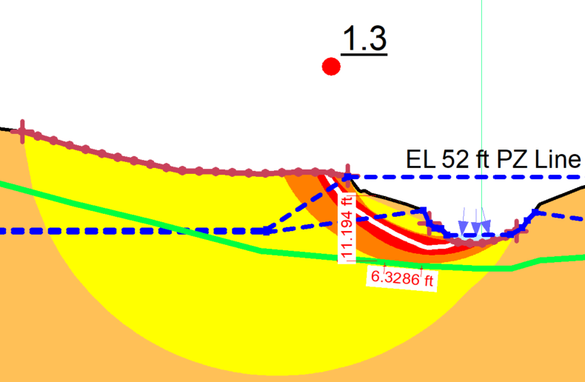
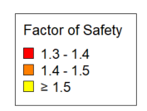

Right Bank

Calcs
Axial Forces
 | Pipe outside diameter | OD | 16.0 | inches |  | Coating dependent factor
 | Pipe Coating Dependent Factor (f) | Polyethylene | 0.6 |  |  | Concrete | 1
 | Depth of cover | DOC | 11.20 | ft |  | Coal Tar | 0.9
 | Depth to pipe centerline | H | 11.87 | ft |  | Rough Steel | 0.8
 | Soil cohesion | c | 100.0 | psf |  | Smooth steel | 0.7
 | Internal friction angle for soil | φ | 30.0 | degrees |  | Fusion Bonded Epoxy | 0.6
 | Effective unit weight of soil | γ | 125.0 | lb/ft3 |  | Polyethylene | 0.6
 | Coefficient of pressure at rest | Ko | 0.500
 | Adhesion factor | α | 1.02
 | Interface angle for pipe-soil | δ | 18.0 | degrees
 | Tan of interface angle | tanδ | 0.325

 | Axial soil force | Tu | 1942.9 | lbs/ft
 |  |  | 1.94 | kips/ft

Lateral Forces
 | Pipe outside diameter | OD | 16 | inches
 | Depth of cover | DOC | 11.2 | ft |  | Lateral Bearing Capacity Factor of Soil
 | Depth to pipe centerline | H | 11.87 | ft
 | Effective unit weight of soil | γ | 125 | lb/ft3 |  |  | φ (degrees) | a | b | c | d | e
 | Soil cohesion | c | 100 | psf |  | Nch | 0 | 6.752 | 0.065 | -11.063 | 7.119
 | Internal friction angle for soil | φ | 30 | degrees |  | Nqh | 20 | 2.399 | 0.439 | -0.03 | 1.06E-03 | -1.75E-05
 | Horizontal bearing capacity factor for clay | Nch | 4.566 |  |  |  | 25 | 3.332 | 0.839 | -0.09 | 5.61E-03 | -1.32E-04
 | Horizontal bearing capacity factor for sand | Nqh | 4.641 |  |  |  | 30 | 4.565 | 1.234 | -0.089 | 4.28E-03 | -9.16E-05
 | a |  | 4.565 |  |  |  | 35 | 6.816 | 2.019 | -0.146 | 7.65E-03 | -1.68E-04
 | b |  | 1.234 |  |  |  | 40 | 10.959 | 1.783 | 0.045 | -5.43E-03 | -1.15E-04
 | c |  | -0.089 |  |  |  | 45 | 17.658 | 3.309 | 0.048 | -6.44E-03 | -1.30E-04
 | d |  | 0.004
 | e |  | 0.000
 | H/D |  | 0.062

 | Lateral soil force | Pu | 9787.5 | lbs/ft
 |  |  | 9.79 | kips/ft

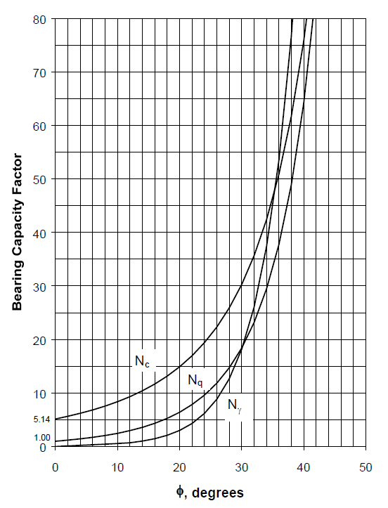
Vertical Forces
 | Pipe outside diameter | OD | 16 | inches |  | Bearing Capacity Factor of Soil
 | Depth of cover | DOC | 11.2 | ft
 | Depth to pipe centerline | H | 11.87 | ft
 | Effective unit weight of soil | γ | 125 | lb/ft3
 | Total unit weight of soil | γ | 125
 | Soil cohesion | c | 100 | psf
 | Internal friction angle for soil | φ | 30 | degrees

 | Vertical bearing capacity factor | Nc | 30.14
 | Vertical bearing capacity factor | Nq | 18.40
 | Vertical bearing capacity factor | Nγ | 18.17

 | Vertical Bearing Soil Force | Qd | 42431.6 | lbs/ft
 |  |  | 42.43 | kips/ft

 | Vertical bearing capacity factor | Ncv | 0.124 | <10 ok
 | Vertical bearing capacity factor | Nqv | 6.0681818182 | <Nq ok

 | Vertical Uplift Soil Force | Qu | 12018.00 | lbs/ft
 |  |  | 12.02 | kips/ft

Longitudinal PGD Stress
 | Pipe outside diameter | OD | 16 | inches |  | Pipeline crossing permanent ground deformation zone in the direction of ground movement. |  |  |  |  |  | Pipe Grade | Yield stress (psi) | n | r
 | Wall thickness of pipe | t | 0.375 | inches |  |  |  |  |  |  |  | Grade B | 35000 | 10 | 100
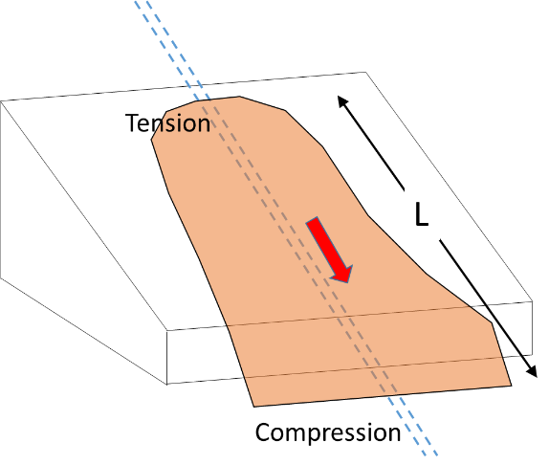
 | Pipe Grade / SMYS | X-52 | 52000 | psi | 4% |  |  |  |  |  |  | X-42 | 42000 | 15 | 32
 | Modulus of elasticity | E | 29,000,000 | psi |  |  |  |  |  |  |  | X-52 | 52000 | 9 | 10
 | Length of PGD zone/Length of pipe in slide | L | 7 | ft |  |  |  |  |  |  |  | X-60 | 60000 | 10 | 12
 | Axial soil force | Tu | 1942.93 | lbs/ft |  |  |  |  |  |  |  | X-70 | 70000 | 5.5 | 16.6

 | Elastic strain | εel | 0.001% |  |  |  |  |  |  |  |  |  |  | 9 | 10
 | Plastic strain | εpl | 0.000%
 | Total strain | ε tot | 0.001%

 | Bending Stress on pipe | σaxial | 360.8 | psi | PASS

 | Design Factor |  | 0.54
 | Pipe Internal Diameter | ID | 15.25 | in.
 | Maximum Operating Pressure | MOP | 1440 | psi
 | Allowable Stress |  | 28080 | psi
 | Internal pressure stress |  | 15360.00 | psi
 | Remaining Stress Available |  | 12720.00 | psi

 | Allowable length of Longitudinal PGD |  | 246.81 | ft

Transverse PGD Stress
 | Pipe outside diameter | OD | 16.00 | inches |  | Pipeline crossing permanent ground deformation zone transverse to the direction of ground movement.
 | Wall thickness of pipe | t | 0.375 | inches
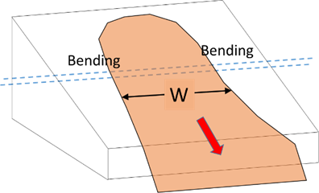
 | Pipe Grade | X-52 | 52000 | psi
 | Modulus of elasticity | E | 29,000,000 | psi
 | Width of PGD zone/Length of pipe in slide | L | 7 | ft
 | Lateral soil force | Pu | 9787.51 | lbs/ft

 | Elastic strain | εel | 0.022%

 | Bending stress on pipe | σaxial | 6,360.7 | psi | PASS

 | Design Factor |  | 0.54
 | Pipe Internal Diameter | ID | 15.25 | in.
 | Maximum Operating Pressure | MOP | 711 | psi
 | Allowable Stress |  | 28080 | psi
 | Internal pressure stress |  | 7584.00 | psi
 | Remaining Stress Available |  | 20496.00 | psi

 | Allowable length of Longitudinal PGD |  | 12.57 | ft

